Summary- Allocation Method Comp
Carbon Intensity Estimation Scheme- For illustration purpose only

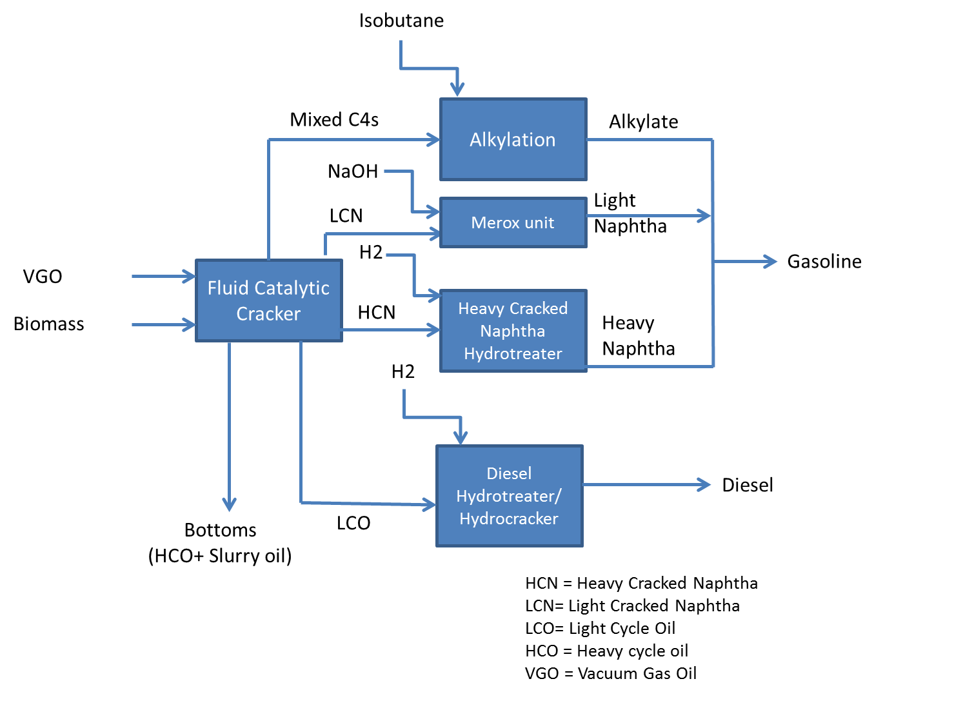
Co-processing in FCC | Refinery Carbon Intensity (g CO2e/MJ)
Options | Renewable Diesel | Renewable light naphtha | Renewable heavy naphtha | Renewable Alkylate | Finished renewable gasoline (alkylate + naphtha blend)
Energy content-based allocation at FCC boundary level | 1.93 | 1.93 | 0.00 | 1.93 | 1.93
Process unit level allocation-preferred option | 7.97 | 0.09 | 2.96 | 1.32 | 0.74

Tailpipe CO2 emissions from renewable gasoline contributed by fossil isobutane |  |  |  | 0.48 | g/MJ

Well to wheel GHG emissions are calculated as follows
 | Renewable Gasoline | Renewable Diesel | Carbon Intensity | placeholder
Biomass production |  |  | g CO2e/MJ
Biomass transport |  |  | g CO2e/MJ
Co-processing | 0.74 | 7.97 | g CO2e/MJ
Fuel Transport |  |  | g CO2e/MJ
Fuel use | 0.48 |  | g CO2e/MJ
Total |  |  | g CO2e/MJ

 |  |  |  |  |  | Fig. 1. System boundary for FCC co-processing

GHG and energy allocation
E | GHG and energy allocation

 | Process units |  | Energy output in btu
 |  | GHG (g/day) | Light cracked Naphtha (LCN) | Heavy Cracked Naphtha (HCN) | LCO | Bottoms (HCO+ Slurry oil) | Mixed C4s | Diesel | Alkylate
 | FCC | 1.00E+07 | 1.1784725045E+11 | 30948804666 | 31580412924 | 8612839888 | 11866424233
 | Fractionater | 1.00E+07 | 1.1784725045E+11 | 30948804666 | 31580412924 | 8612839888 | 11866424233 | 0
 | Diesel Hydrotreater | 2.85E+08 |  |  |  |  |  | 34247442555
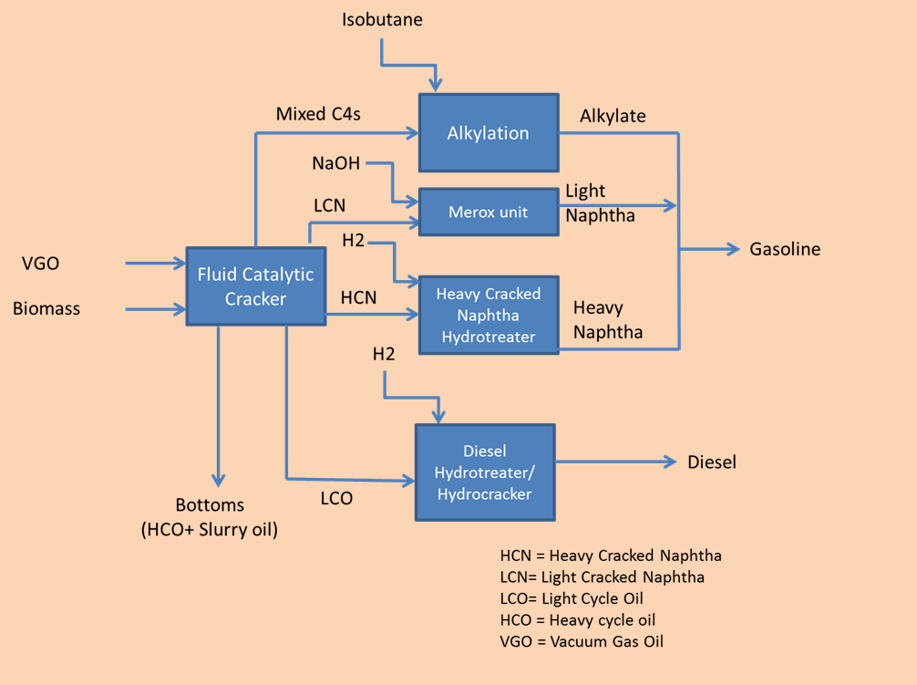
 | Heavy cracked naphtha hydrotreater | 9.37E+07 |  | 35239760328
 | Alkylation | 1.63E+07 |  |  |  |  |  |  | 12531690851
 | Merox unit | 0.00E+00 | 1.177294032E+11
 | Total system | 4.15E+08 | 1.177294032E+11 | 30948804666 |  | 8612839888 |  | 34247442555 | 12531690851

 | % share based on energy basis
 |  |  | Light Naphtha | Heavy Naphtha | LCO | Bottoms (HCO+ Slurry oil) | Mixed C4s | Diesel | Alkylate | Total
 | FCC |  | 0.59 | 0.15 | 0.16 | 0.04 | 0.06 | 0.00 | 0.00 | 1.00
 | Fractionater |  | 0.59 | 0.15 | 0.16 | 0.04 | 0.06 | 0.00 | 0.00 | 1.00
 | Diesel Hydrotreater |  | 0.00 | 0.00 | 0.00 | 0.00 | 0.00 | 1.00 | 0.00 | 1.00
 | Heavy cracked naphtha hydrotreater |  | 0.00 | 1.00 | 0.00 | 0.00 | 0.00 | 0.00 | 0.00 | 1.00
 | Alkylation |  | 0.00 | 0.00 | 0.00 | 0.00 | 0.00 | 0.00 | 1.00 | 1.00
 | Total System |  | 0.58 | 0.15 | 0.00 | 0.04 | 0.00 | 0.17 | 0.06 | 1.00

 |  | Allocation of GHG emissions at process unit level
 |  |  | Light Naphtha | Heavy Naphtha | LCO | Bottoms (HCO+ Slurry oil) | Mixed C4s | Diesel | alkylate | Total
 | FCC |  | 5.88E+06 | 1.54E+06 | 1.58E+06 | 4.30E+05 | 5.92E+05 | 0.00E+00 | 0.00E+00 | 1.00E+07
 | Fractionater |  | 5.89E+06 | 1.55E+06 | 1.58E+06 | 4.30E+05 | 5.93E+05 | 0.00E+00 | 0.00E+00 | 1.00E+07
 | Diesel Hydrotreater |  | 0.00E+00 | 0.00E+00 | 0.00E+00 | 0.00E+00 | 0.00E+00 | 2.85E+08 | 0.00E+00 | 2.85E+08
 | Heavy cracked naphtha hydrotreater |  | 0.00E+00 | 9.37E+07 | 0.00E+00 | 0.00E+00 | 0.00E+00 | 0.00E+00 | 0.00E+00 | 9.37E+07
 | Alkylation |  | 0.00E+00 | 0.00E+00 | 0.00E+00 | 0.00E+00 | 0.00E+00 | 0.00E+00 | 1.63E+07 | 1.63E+07
 | Total emissions |  |  |  |  |  |  |  |  | 4.15E+08 | FCC -coprocessing diagram

 | FCC -Refinery level allocation- Energy content | Refinery Carbon intensity of final product (g/MJ)
 | Renewable Diesel | 1.93
 | Renewable Light Naphtha | 1.93
 | Renewable Heavy Naphtha
 | Renewable Alkylate | 1.93
 | Renewable Gasoline (Naphtha + Alkylate) | 1.93

 | Process unit level allocation- Energy Content | g CO2/MJ
 | Renewable Diesel | 7.97
 | Renewable Light Naphtha | 0.09
 | Renewable Heavy Naphtha | 2.96
 | Renewable Alkylate | 1.32
 | Renewable Gasoline (Naphtha + Alkylate) | 0.74

 | Check aggregate refinery CI | 1.93

 | Fossil carbon in isobutane | 22216 | kg
 | Tailpipe CO2 contributed by fossil isobutane in renewable gasoline | 0.48 | g/MJ- renewable gasoline

